Sheet1
Onrus Estuary Mouth: Recreational water quality according to DWA Guideline*
adjusted for identified polluting incidents or isolated high E. coli values unsupported by high enterococci values (likely spurious results)
Date | E. coli | Rolling 3 month geomean | Risk
2018-03-14 | 400
2018-03-22 | 80
2018-04-06 | 33
2018-04-20 | 4
2018-05-10 | 310
2018-05-24 | 90 | 70.0
2018-06-21 | 20 | 42.5 | low
2018-07-05 | 63 | 40.8 | low
2018-07-19 | 25 | 39.0 | low
2018-08-16 | 290 | 79.6 | low
2018-08-30 | 80 | 63.5 | low
2018-09-13 | 100 | 64.7 | low
2018-09-27 | 100 | 84.6 | low
2018-10-11 | 20 | 69.8 | low
2018-10-25 | 30 | 72.0 | low
2018-11-08 | 25 | 47.8 | low
2018-11-22 | 35 | 41.7 | low
2018-12-04 | 60 | 38.3 | low
2018-12-06 | 22 | 29.7 | low
2018-12-11 | 85 | 37.9 | low
2018-12-13 | 15 | 33.7 | low
2019-12-18 | 35 | 35.7 | low
2018-12-20 | 400 | 53.5 | low
2018-12-27 | 200 | 65.4 | low
2019-01-03 | 130 | 88.0 | low
2019-01-17 | 3 | 50.4 | low
2019-01-31 | 150 | 74.0 | low
2019-02-14 | 80 | 84.9 | low
2019-02-28 | 23 | 52.7 | low
2019-03-14 | 450 | 60.4 | low
2019-04-10 | 60 | 53.1 | low
2019-04-11 | 60 | 87.4 | low
2019-04-25 | 450 | 105.0 | low
2019-05-09 | 150 | 116.6 | low
2019-05-23 | 350 | 183.6 | slight
2019-06-06 | 1 | 66.3 | low
2019-06-21 | 35 | 60.6 | low
2019-07-04 | 1800 | 106.9 | low
2019-07-18 | 1000 | 122.1 | low
2019-08-01 | 220 | 130.1 | slight
2019-08-15 | 12 | 74.2 | low
2019-08-29 | 170 | 174.5 | slight
2019-09-12 | 310 | 251.1 | some
2019-09-26 | 100 | 155.1 | slight
2019-10-24 | 68 | 99.1 | low
2019-11-21 | 160 | 94.0 | low
2019-12-05 | 190 | 148.9 | slight
2019-12-19 | 160 | 147.4 | slight
2020-01-09 | 130 | 127.5 | slight
2020-01-23 | 190 | 141.9 | slight
2020-02-20 | 45 | 132.5 | slight
2020-02-26 | 200 | 137.5 | slight
2020-03-19 | 300 | 148.4 | slight
2020-07-23 | 24 | 108.2 | low
2020-08-06 | 200 | 116.2 | low
2020-09-11 | 46 | 91.7 | low
2020-09-17 | 80 | 101.0 | low
2020-10-08 | 130 | 94.0 | low
2020-10-22 | 160 | 84.6 | low
2020-11-05 | 30 | 87.8 | low
2020-11-19 | 400 | 98.6 | low
2020-12-03 | 50 | 100.0 | low
2020-12-17 | 136 | 109.2 | low
2020-12-22 | 90 | 102.7 | low
2020-12-29 | 264 | 111.7 | low
2021-01-07 | 230 | 156.8 | slight
2021-01-21 | 194 | 139.0 | slight
2021-02-04 | 60 | 143.3 | slight
2021-02-18 | 180 | 150.1 | slight
2021-03-04 | 1620 | 243.0 | some
2021-03-18 | 210 | 233.9 | some
2021-04-01 | 211 | 230.6 | some
2021-04-15 | 212 | 234.0 | some
2021-04-29 | 213 | 289.1 | some
2021-05-13 | 60 | 240.7 | some
2021-05-27 | 45 | 132.5 | slight
2021-06-10 | 96 | 116.3 | low
Geomean for full period: |  | 93.3 | low

* RSA Department of Water Affairs and Forestry. 1996. South African Water Quality Guidelines (second edition), Volume 2: Recreational Use. http://www.dwa.gov.za/IWQS/wq_guide/edited/Pol_saWQguideFRESHRecreationalUsevol2.pdf

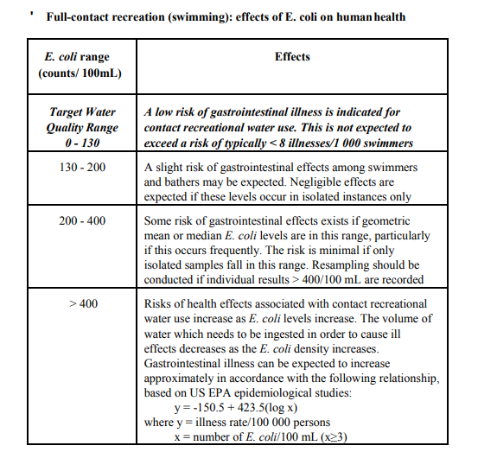

Please contact the Overberg District Municipality: Health Department, on 028 313 1243 for specific questions related to the recreational water quality

